Sheet1

WindowsProperty | Value | jsLoadImageExifName | value
Description
Title
Subject
Rating
Tags
Comments
Origin
Authors
Date taken
Program name
Date acquired
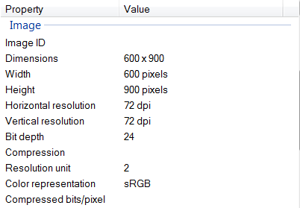
Copyright
Image
Image ID
Dimensions
Width |  | PixelXDimension | 1520
Height |  | PixelYDimension | 2688
Horizontal resolution |  | XResolution | 72
Vertical resolution |  | YResolution | 72
Bit depth
Compression
Resolution unit |  | ResolutionUnit | 2
Color representation
Compressed bits/pixel |  | CompressedBitsPerPixel | 2.8737214129
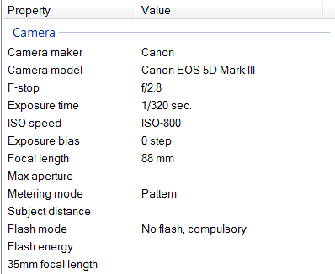
Camera
Camera maker |  | Make | HTC
Camera model |  | Model | HTC One
F-stop |  | FNumber光圈系数
Exposure time |  | ExposureTime | 0.000625
ISO speed
Exposure bias |  | ExposureBias | 0
Focal length |  | FocalLength | 3.82
Max aperture |  | MaxApertureValue | 2
Metering mode |  | MeteringMode | Other
Subject distance
Flash mode
Flash energy
35mm focal length |  | FocalLengthIn35mmFilm | 28
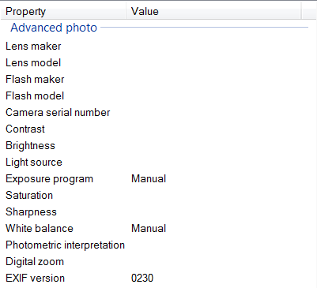
Advanced photo
Lens maker
Lens model
Flash maker
Flash model
Camera serial number
Contrast |  | Contrast | Normal
Brightness |  | BrightnessValue | 7.321895
Light source |  | LightSource | Unknown
Exposure program |  | ExposureProgram | Normal program
Saturation |  | Saturation | Normal
Sharpness |  | Sharpness | Normal
White balance |  | WhiteBalance | Auto white balance
Photometric interpretation
Digital zoom |  | DigitalZoomRatio | 0
EXIF version |  | ExifVersion | 220
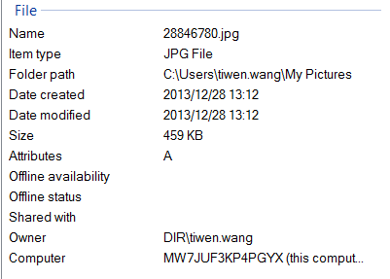
File
Name
Item type
Folder path
Date created
Date modified
Size
Attributes
Offline availability
Offline status
Shared with
Owner
Computer
GPS
 |  | GPSLatitudeRef | N
Latitude |  | GPSLatitude | 39,52,28.0087
 |  | GPSLongitudeRef | E
Longitude |  | GPSLongitude | 116,27,18.7756
 |  | GPSAltitudeRef | 0
Altitude |  | GPSAltitude | 0
 |  | GPSTimeStamp | 7,10,39
 |  | GPSProcessingMethod | ASCII
 |  | GPSDateStamp | 2013:06:15

